HORC
Fixed Rate Method VS Actual Cost Method

🧾 1. Fixed Rate Method – FY 2025

🔹 New Rate:

$0.70 per hour worked from home
(effective for the entire 2024–25 financial year)

✅ This covers (bundled):

--> Electricity & gas (lighting, cooling/heating)
--> Internet (home or mobile)
--> Mobile & home phone
--> Stationery and computer consumables (ink, paper, pens, etc.)

❗ You cannot claim any of these separately.

✅ You can still claim separately:

--> Depreciation of office furniture or equipment (e.g., desk, chair, laptop)

--> Repairs & maintenance of work equipment

--> Assets under $300 – can be claimed outright (if used >50% for work)

📝 Record-keeping (mandatory):

--> Actual hours log for the whole year (diary, roster, timesheet)

--> One bill for each type of included expense (to prove you incurred the cost)

🧾 2. Actual Cost Method – FY 2025

✅ You can claim actual work-related portion of:

--> Electricity & gas
--> Internet & phone
--> Cleaning (if dedicated home office)
--> Stationery & consumables
--> Office furniture/equipment depreciation
--> Repairs & maintenance

📝 Record-keeping required:

Receipts and bills for each expense
Usage logs (e.g. % of internet used for work)
Floorplan or space calculation (for utilities/cleaning)

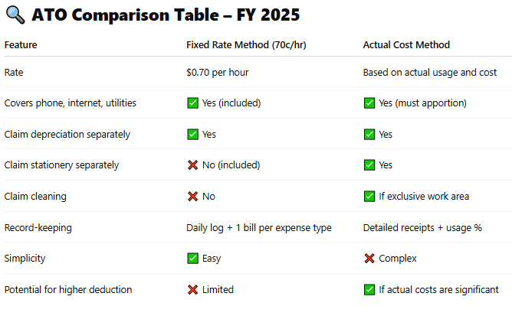

✅ When to use which?

✅ When to use which?

Use Fixed Rate Method (70c) if:
You want simplicity
You don’t have high expenses
You don’t have a dedicated office space

Use Actual Cost Method if:
You have high internet/electricity use
You maintain a home office
You want to maximise deductions and have detailed records

